Sheet1
 | Scenario groups formed based in SSTSS Process
 | Scenario Group # | Scenarios Group | Remarks | Example Ilustrations
1 | G1 | Turning Scenarios | This group includes the situations where the ego vehicle turns, such as turning left or right
2
3
4 | G2 | Lane Change | This group includes the situation where the ego vehicle or other adjacent vehicle is merging or switching lanes in the same direction without maintaining an appropriate distance and speed with adjacent vehicles. Furthermore, including scenarios where the ego vehicle intends to perform lane changes to avoid collisions. For instance, if an obstacle appears in the path of the ego vehicle, it needs to change lanes. | 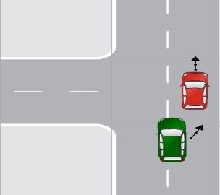
5
6
7
8
9
10
11
12
13
14
15
16
17 | G3 | Following Lead Vehicle | This group includes the situations where the ego vehicle is driving behind another vehicle referred to as the "lead vehicle." In such scenarios, the risk of a rear-end collision exists, where the ego vehicle collides with the lead vehicle from behind.
18
19
20
21
22
23
24
25 | G4 | Traffic Signal Scenarios | This group includes situations where either the ego vehicle or another vehicle approaches or violates the traffic light signal.
26
27
28
29
30 | G5 | Crossing Path | This group includes the situations where the paths of two or more vehicles intersect or cross each other at an intersection or junction. In this scenario, the ego vehicle must navigate the intersection while avoiding collisions with other vehicles. | 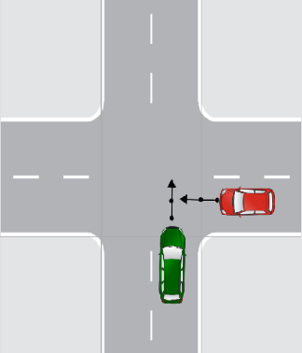
31
32
33
34
35
36
37
38
39
40
41
42 | G6 | Animal Interaction | This group includes the situation where an ego vehicle encounters animals, such as stray animals, wildlife, or domestic pets, while driving on the road.
43 | G7 | Pedestrian Interaction | This group includes the situation where an ego vehicle encounters pedestrians while driving.
44
45
46
47
48
49
50
51
52
53
54 | G8 | Cyclist Interaction | This group includes the situation where an ego vehicle encounters a cyclist or any other two-wheeler vehicle while driving. | 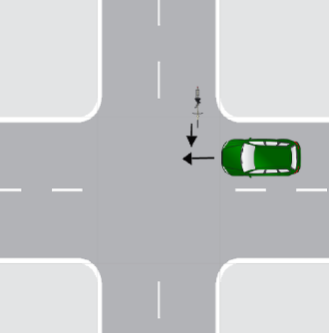
55
56
57
58
59
60
61
62
63
64
65
66 | G9 | Parking | This group includes the situation where the ego vehicle parked or maneuvered into a parking space. These scenarios include parallel, perpendicular, and other parking maneuvers.
67
68
69 | G10 | Reversing | This group includes the situation in which ego vehicle moving in reverse,such as backing out of a parking space or driveway.
70
71
72 | G11 | Opposite Direction | This group includes the situation where an ego vehicle traveling in the opposite direction to other vehicles on the road | 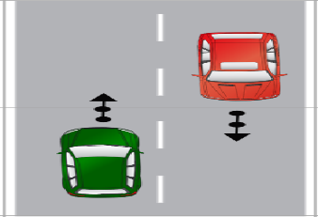
73
74 | G12 | Control Loss | This group includes the situation where the ego vehicle loses control due to slip- pery or poor road conditions or brake failure caused by infrastructure-related issues. | 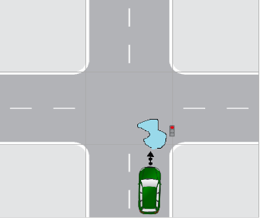
75
76
77
78
79
80
81 | G13 | Visibility | This group includes the situation where road visibility is unclear due to weather conditions, fog, obstructions, hurdles, or construction activities. | ___
82
83 | G14 | Human fault | This group includes the situation where unsafe conditions are caused primarily due to human errors, mistakes, or negligent behaviors. e.g., aggressive driving or distracted driving, etc. | __
84
85
86
87
88 | G15 | Miscellaneous
89 |  |  | This group includes scenarios that do not belong to a specific predefined category or lack adequate information about the ego vehicle's or target object's critical actions.
90

